Instructions
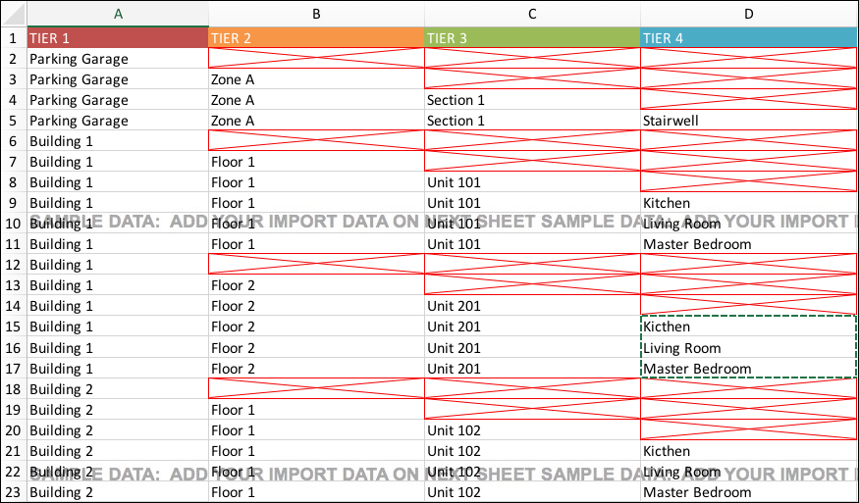
HOW TO IMPORT MULTI-TIERED LOCATIONS

ABOUT THIS IMPORT TEMPLATE
● The titles in Row 1 correspond to named column headers in the user database. Do NOT change these titles or the import process will fail.
● Do NOT add, change, or insert columns into this worksheet or the import process will fail.
● Do NOT include blank rows in the worksheet.
● Always begin your data entry on Row 2 in cell A2 on the Add Data Here worksheet.
● You can insert and delete columns in the Add Data Here worksheet, even when it is locked.

INSTRUCTIONS
1 Review the Sample Data worksheet:
 | Sample Data

2 Input your data on the Add Data Here worksheet:
 | Add Data Here

3 Need help? Step-by-step instructions are available on the Procore Support Site:
 | Request a Multi-tiered Locations Import

IMPORTANT! When creating a new location tier, leave the remaining cells in the row empty. See example below:

