Instructions
HOW TO IMPORT COST CODES TO A COMPANY OR PROJECT

 | INSTRUCTIONS
 | 1 Review the information in this Instructions worksheet.
 | 2 Review an example of how to complete your data entry in the Sample Data worksheet: |  |  | Sample Data
 | 3 To input your data, click: |  | Add Data Here
 | 4 Enter your import data using the guidelines detailed in these Procore support articles:

 |  | Import Custom Cost Codes to a Company
 |  | Import Custom Cost Codes to a Project

 | IMPORTANT!

 | • TO CREATE A NEW DIVISION
 |  | - Enter a value in the Division and Description cells only. Then leave the Cost Code cell blank.

 | • TO CREATE A COST CODE WITHIN A DIVISION
 |  | 1 REPEAT the division code the Division cell.
 |  | (Note: This ensures the cost code is added within the appropriate division (e.g., 01 General Requirements) in the database).
 |  | 2 Enter the desired code (e.g., 010) in the Cost Code cell.
 |  | 3 Type the desired name for the cost code in the Description cell (e.g., Project Manager).
 |  | (Note: Every Cost Code entry requires a Division number. This ensures the cost code is added within the appropriate division (e.g., 01 General Requirements) in the database).
 |  | (Note: When entering your data, do NOT combine the division number and cost code in the Cost Code cell).
 |  | This results in the division being repeated twice (e.g., 01-01010 Project Manager).

 | • AFTER YOUR COST CODES ARE IMPORTED, THEY ARE ORGANIZED IN THE ADMIN TOOL AS SHOWN BELOW:

 | • WHEN ADDED TO A BUDGET IN PROCORE, FUNDS ASSOCIATED WITH THE SAME DIVISION WILL INCLUDE SUBTOTALS:

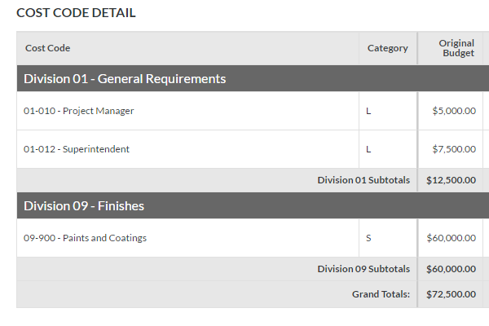

 | ADDITIONAL RESOURCES

 | • If the structure of your cost codes requires more than 2-tiers or doesn't fit into this structure, contact your Procore point of contact for information.
 | • For assistance with frequently asked questions about data entry into Microsoft Excel, please see the Microsoft articles below (external resources):

 |  | Split data into different cells (Microsoft Excel)
 |  | Combine data from two or more cells into one cell (Microsoft Excel)

 | To input your data, click:

 |  | Add Data Here

